Sheet1
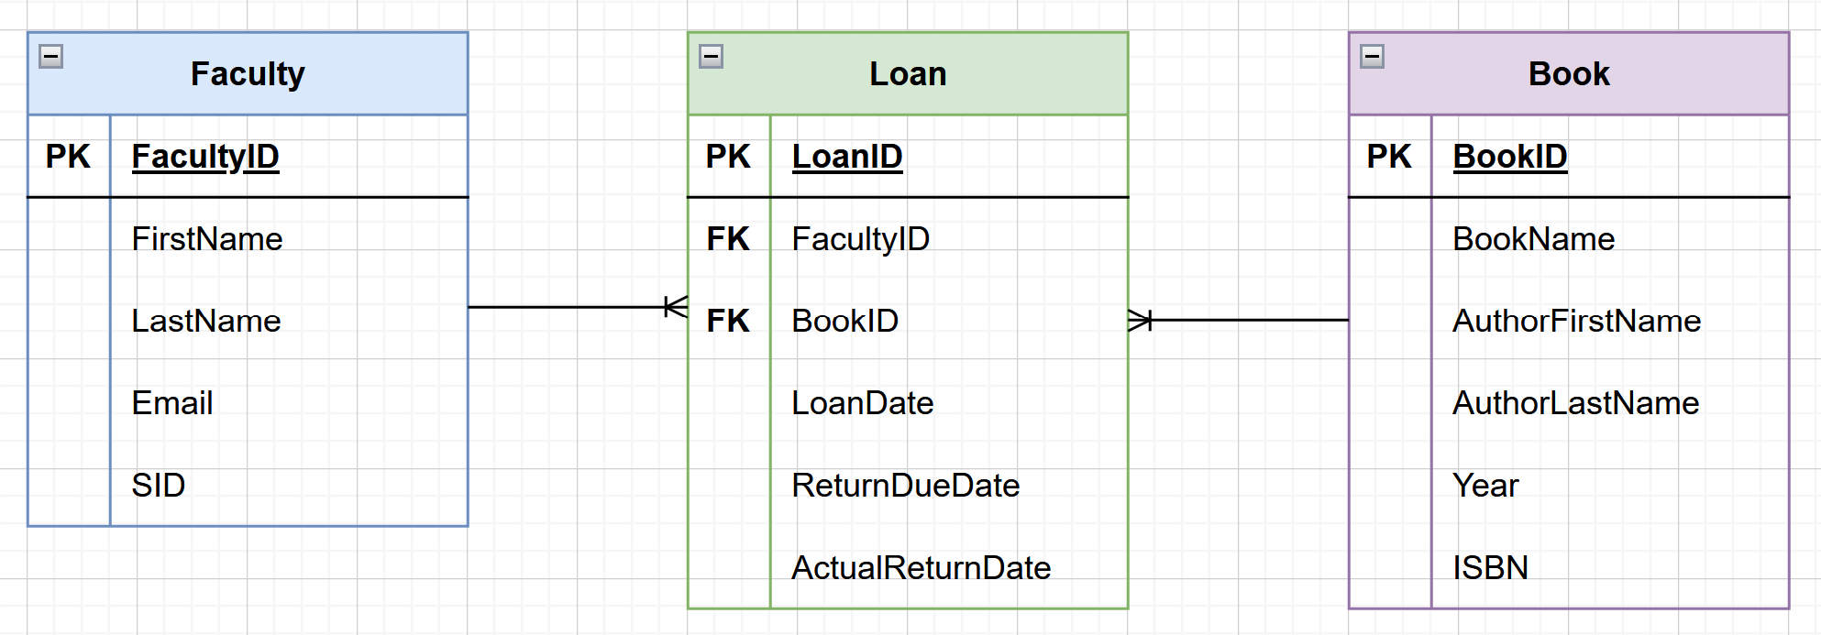
Leah Nicholson

FACULTY COMMONS DATABASE

*Special Note:
Since SID is unique, I considered using it for the PK in the Faculty table (and as an FK in Loan table).
I chose not to because having a separate FacultyID is good in case there is a change in how SID is managed, or for privacy. It also gives Faculty Commons full control over their own system. Is this best practice in this scenario?
Faculty
FacultyID (PK) | FirstName | LastName | Email | SID
1 | Pratima | Suneel | p.suneel@bc.edu | 1234
2 | Leah | Nicholson | l.nicholson@bc.edu | 4567
3 | Lisa | Harris | l.harris@bc.edu | 8901

Loan
LoanID (PK) | FacultyID (FK) | BookID (FK) | LoanDate | ReturnDueDate | ActualReturnDate
1001 | 1 | 10 | 2025-02-13 | 2025-02-20 | 2025-02-19
1002 | 2 | 11 | 2025-02-14 | 2025-02-21 | 2025-02-21
1003 | 3 | 12 | 2025-02-02 | 2025-02-09 | 2025-02-04

Book
BookID (PK) | BookName | AuthorFirstName | AuthorLastName | Year | ISBN
10 | Murach's SQL Server 2022 for Developers | Joel | Murach | 2023 | 1943873062
11 | Murach's Python Programming | Joel | Murach | 2021 | 1943872740
12 | Murach's Python for Data Analysis | Scott | McCoy | 2021 | 1943872767

ENTITY RELATIONSHIP DIAGRAM

